Aula
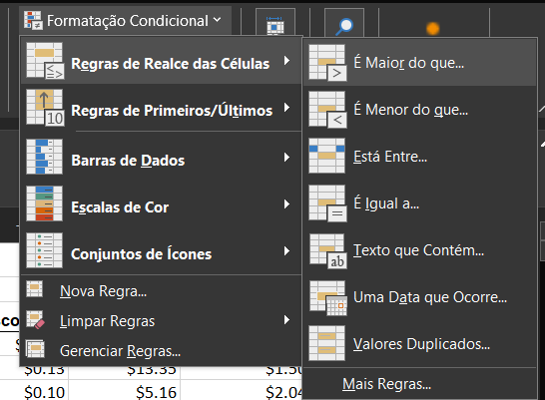

OBS ¹: Em formataçaõ condicional, escolho a qual regra se aplica, seja números ou texto (ex:n texto que contém ''Radhya'') e escolho as cores que apresentarão.
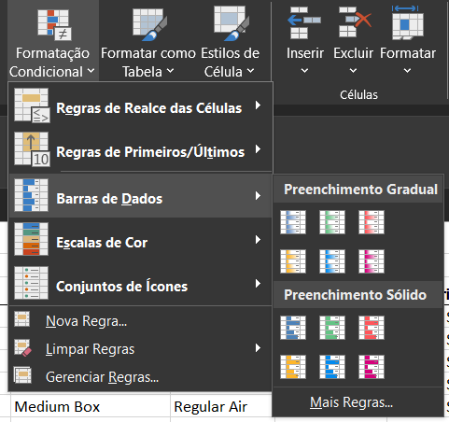

OBS ²: Na condição de Barra de Dados o excel irá me apresentar as cédulas que contém dados mais longos da coluna que determinar. Nesse caso, apliquei também em ''Total''.
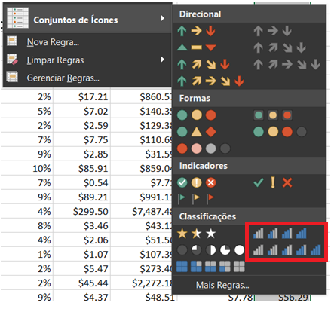

OBS ³: Essa barra de dados fica mais dinânima em formatação de ícones. Nesse caso, classifiquei com pequenas estruturas de gráficos.

